ESP32
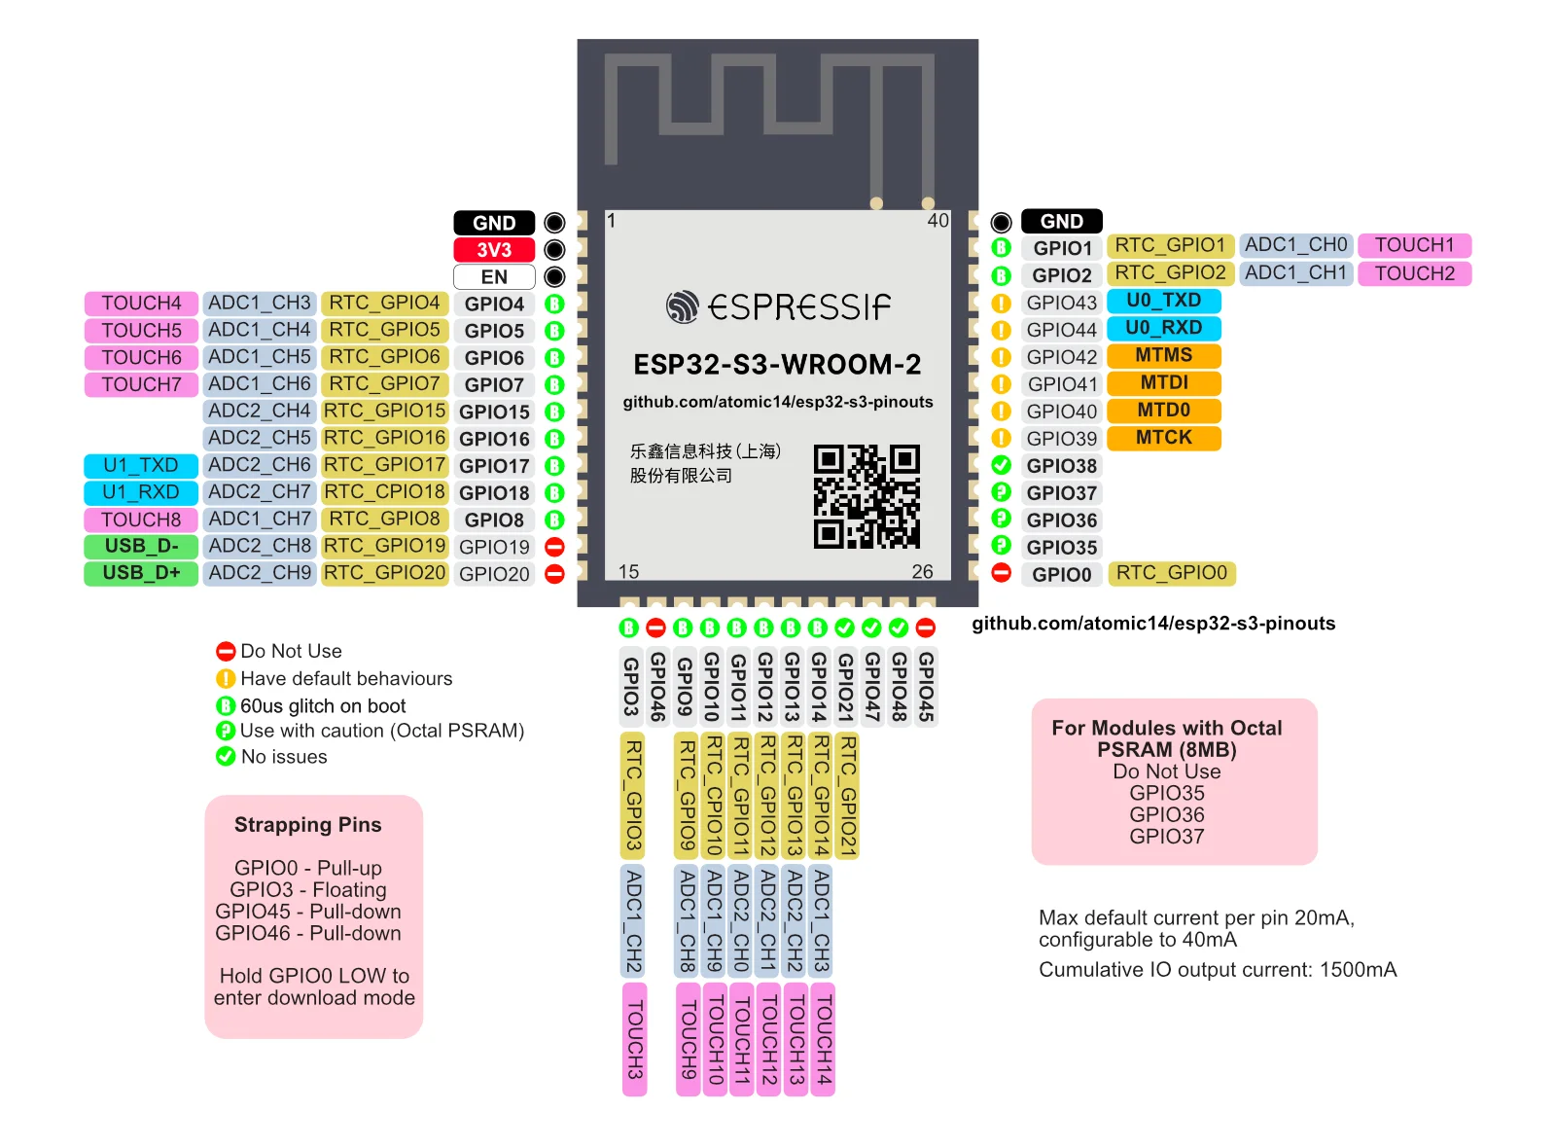
Pin Name | Pin Number | Type | Description | Utilisé par?
GND | 1.4 | P | GND | NA
3V3 | 2 | P | Power supply | NA
EN | 3 | I | High: on, enables the chip. Low: off, the chip powers off. Note: Do not leave the EN pin floating. | RESET_ESP32
GPIO4 | 4 | I/O/T | RTC_GPIO4, GPIO4, TOUCH4, ADC1_CH3 | SPI_CS_1_ESP32
GPIO5 | 5 | I/O/T | RTC_GPIO5, GPIO5, TOUCH5, ADC1_CH4 | SPI_CS_2_ESP32
GPIO6 | 6 | I/O/T | RTC_GPIO6, GPIO6, TOUCH6, ADC1_CH5 | SPI_CLK_ESP32
GPIO7 | 7 | I/O/T | RTC_GPIO7, GPIO7, TOUCH7, ADC1_CH6 | SPI_MOSI_ESP32
GPIO15 | 8 | I/O/T | RTC_GPIO15, GPIO15, U0RTS, ADC2_CH4, XTAL_32K_P | GPIO15
GPIO16 | 9 | I/O/T | RTC_GPIO16, GPIO16, U0CTS, ADC2_CH5, XTAL_32K_N | GPIO16
GPIO17 | 10 | I/O/T | RTC_GPIO17, GPIO17, U1TXD, ADC2_CH6 | GPIO17
GPIO18 | 11 | I/O/T | RTC_GPIO18, GPIO18, U1RXD, ADC2_CH7, CLK_OUT3 | GPIO18
GPIO8 | 12 | I/O/T | RTC_GPIO8, GPIO8, TOUCH8, ADC1_CH7, SUBSPICS1 | SPI_MISO_ESP32
USB_D- | 13 | I/O/T | RTC_GPIO19, GPIO19, U1RTS, ADC2_CH8, CLK_OUT2, USB_D- | DEBUG D-
USB_D+ | 14 | I/O/T | RTC_GPIO20, GPIO20, U1CTS, ADC2_CH9, CLK_OUT1, USB_D+ | DEBUG D+
GPIO3 | 15 | I/O/T | RTC_GPIO3, GPIO3, TOUCH3, ADC1_CH2 | Floating
GPIO46 | 16 | I/O/T | GPIO46 | Pull-down
GPIO9 | 17 | I/O/T | RTC_GPIO9, GPIO9, TOUCH9, ADC1_CH8, FSPIHD, SUBSPIHD | REFCLKn
GPIO10 | 18 | I/O/T | RTC_GPIO10, GPIO10, TOUCH10, ADC1_CH9, FSPICS0, FSPIIO4, SUBSPICS0 | SUSCLK||GND
GPIO11 | 19 | I/O/T | RTC_GPIO11, GPIO11, TOUCH11, ADC2_CH0, FSPID, FSPIIO5, SUBSPID | RESET_AUTRES
GPIO12 | 20 | I/O/T | RTC_GPIO12, GPIO12, TOUCH12, ADC2_CH1, FSPICLK, FSPIIO6, SUBSPICLK | I2S_BCLK
GPIO13 | 21 | I/O/T | RTC_GPIO13, GPIO13, TOUCH13, ADC2_CH2, FSPIQ, FSPIIO7, SUBSPIQ | I2S_WS
GPIO14 | 22 | I/O/T | RTC_GPIO14, GPIO14, TOUCH14, ADC2_CH3, FSPIWP, FSPIDQS, SUBSPIWP | I2S_DIN/DOUT
GPIO21 | 23 | I/O/T | RTC_GPIO21, GPIO21 | GPIO21
GPIO47 | 24 | I/O/T | SPICLK_P_DIFF, GPIO47, SUBSPICLK_P_DIFF | GPIO47
GPIO48 | 25 | I/O/T | SPICLK_N_DIFF, GPIO48, SUBSPICLK_N_DIFF | GPIO48
GPIO45 | 26 | I/O/T | GPIO45 | Pull-down
GPIO0 | 27 | I/O/T | RTC_GPIO0, GPIO0 | Pull-up (Hold LOW to enter download mode)
GPIO35 | 28 | I/O/T | SPIIO6, GPIO35, FSPID, SUBSPID | Octal flash
GPIO36 | 29 | I/O/T | SPIIO7, GPIO36, FSPICLK, SUBSPICLK | Octal flash
GPIO37 | 30 | I/O/T | SPIDQS, GPIO37, FSPIQ, SUBSPIQ | Octal flash
GPIO38 | 31 | I/O/T | GPIO38, FSPIWP, SUBSPIWP | GPIO38 && LED
MTCK | 32 | I/O/T | MTCK, GPIO39, CLK_OUT3, SUBSPICS1 | POTENTIAL JTAG
MTDO | 33 | I/O/T | MTDO, GPIO40, CLK_OUT2 | POTENTIAL JTAG
MTDI | 34 | I/O/T | MTDI, GPIO41, CLK_OUT1 | POTENTIAL JTAG
MTMS | 35 | I/O/T | MTMS, GPIO42 | Do not touch / POTENTIAL JTAG
U0RXD | 36 | I/O/T | U0RXD, GPIO44, CLK_OUT2 | Serial USB RX Port 0
U0TXD | 37 | I/O/T | U0TXD, GPIO43, CLK_OUT1 | Serial USB TX Port 0
GPIO2 | 38 | I/O/T | RTC_GPIO2, GPIO2, TOUCH2, ADC1_CH1 | I2C_SCL_ESP32
GPIO1 | 39 | I/O/T | RTC_GPIO1, GPIO1, TOUCH1, ADC1_CH0 | I2C_SDA_ESP32
EPAD | 41 | P | GND | NA
SPICS1 |  | I/O/T | SPICS1, GPIO26 | Do not touch
GPIO33 |  | I/O/T | GPIO33 | GPIO33
GPIO34 |  | I/O/T | GPIO34 | GPIO34

https://github.com/atomic14/esp32-s3-pinouts?tab=readme-ov-file

